Cov
Week | COLA | PEPSI | Dev COLA | Dev PEPSI | PRODUCT |  | COLA | PEPSI
1 | 2.65% | 6.26% | 2.26% | 6.02% | 0.1361% | Cov | 0.000216
2 | 3.46% | -1.19% | 3.08% | -1.42% | -0.0437% | Correlation | 0.37
3 | -0.10% | 4.58% | -0.49% | 4.34% | -0.0212%
4 | 2.01% | -1.63% | 1.62% | -1.87% | -0.0303% | manual | 0.000212
5 | -1.07% | -1.08% | -1.46% | -1.32% | 0.0192% | stdve | 0.02 | 0.03
PEPSI vs. COLA
6 | -0.27% | -2.96% | -0.66% | -3.19% | 0.0210%
7 | -0.65% | -1.65% | -1.04% | -1.89% | 0.0197%
8 | 1.45% | 4.90% | 1.06% | 4.67% | 0.0497%
9 | -4.27% | -2.50% | -4.66% | -2.74% | 0.1274%
10 | 0.23% | 1.64% | -0.15% | 1.41% | -0.0022%
11 | 2.52% | 0.33% | 2.13% | 0.09% | 0.0020%
12 | 0.86% | 2.03% | 0.47% | 1.80% | 0.0084%
13 | 2.40% | -2.15% | 2.01% | -2.38% | -0.0479%
14 | -1.16% | -3.60% | -1.54% | -3.84% | 0.0593%
15 | 1.85% | -1.41% | 1.47% | -1.64% | -0.0240%
16 | 2.09% | 2.42% | 1.70% | 2.18% | 0.0371%
17 | 0.57% | 5.70% | 0.19% | 5.47% | 0.0102%
18 | 1.50% | 1.10% | 1.11% | 0.86% | 0.0096%
19 | -0.38% | -0.93% | -0.77% | -1.16% | 0.0090%
20 | -0.88% | -1.24% | -1.27% | -1.47% | 0.0186%
21 | -1.39% | -1.00% | -1.78% | -1.23% | 0.0219%
22 | -1.50% | -1.52% | -1.89% | -1.75% | 0.0331%
23 | -1.62% | -0.67% | -2.01% | -0.90% | 0.0181%
24 | 0.30% | -0.50% | -0.08% | -0.73% | 0.0006%
25 | -0.61% | 3.57% | -0.99% | 3.34% | -0.0332%
26 | 2.15% | 4.25% | 1.76% | 4.02% | 0.0709%
27 | -0.44% | -2.90% | -0.83% | -3.14% | 0.0260%
28 | -0.97% | 0.15% | -1.36% | -0.08% | 0.0012%
29 | -0.03% | 5.89% | -0.42% | 5.66% | -0.0236%
30 | -2.08% | -0.08% | -2.46% | -0.32% | 0.0079%
31 | 1.44% | 3.31% | 1.05% | 3.07% | 0.0324%
32 | 2.17% | 1.53% | 1.78% | 1.29% | 0.0230%
33 | -2.37% | -1.36% | -2.76% | -1.60% | 0.0441%
34 | -0.47% | 1.74% | -0.86% | 1.50% | -0.0129%
35 | -1.03% | -1.08% | -1.42% | -1.32% | 0.0188%
36 | 0.46% | 1.63% | 0.07% | 1.40% | 0.0009%
37 | -0.31% | -2.00% | -0.70% | -2.24% | 0.0157%
38 | 2.10% | 1.18% | 1.71% | 0.94% | 0.0162%
39 | -1.58% | -2.47% | -1.97% | -2.71% | 0.0534%
40 | -0.36% | 0.28% | -0.74% | 0.05% | -0.0003%
41 | -1.50% | -6.63% | -1.89% | -6.86% | 0.1294%
42 | 2.20% | -1.10% | 1.82% | -1.34% | -0.0243%
43 | 2.13% | -1.48% | 1.75% | -1.72% | -0.0300%
44 | -0.62% | -1.78% | -1.01% | -2.02% | 0.0205%
45 | 2.49% | 2.62% | 2.10% | 2.39% | 0.0501%
46 | 0.01% | -2.11% | -0.37% | -2.35% | 0.0088%
47 | -3.17% | -2.93% | -3.56% | -3.17% | 0.1128%
48 | 0.30% | 0.63% | -0.08% | 0.39% | -0.0003%
49 | -0.20% | -0.01% | -0.59% | -0.25% | 0.0015%
50 | 3.60% | 7.05% | 3.21% | 6.81% | 0.2189%
51 | 7.89% | -0.82% | 7.50% | -1.06% | -0.0791%
 |  |  | -0.39% | -0.24% | 0.0009%

Regression Cola
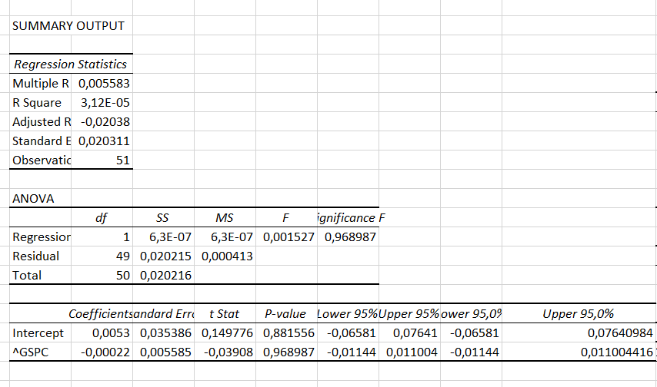
6 | Date | wekkly return for Cola | ^GSPC
DO NOT CHANGE THIS COLUMN | 2026-02-03
 | 2026-02-02 | 0.03 | 6,932
1 | 2026-01-26 | 0.03 | 6,939
1 | 2026-01-19 | 0.00 | 6,916
1 | 2026-01-12 | 0.02 | 6,940
1 | 2026-01-05 | -0.01 | 6,966
1 | 2025-12-29 | 0.00 | 6,858
1 | 2025-12-22 | -0.01 | 6,930
 | 2025-12-15 | 0.01 | 6,835
 | 2025-12-08 | -0.04 | 6,827
 | 2025-12-01 | 0.00 | 6,870
 | 2025-11-24 | 0.03 | 6,849
 | 2025-11-17 | 0.01 | 6,603
 | 2025-11-10 | 0.02 | 6,734
 | 2025-11-03 | -0.01 | 6,729
 | 2025-10-27 | 0.02 | 6,840
 | 2025-10-20 | 0.02 | 6,792
 | 2025-10-13 | 0.01 | 6,664
 | 2025-10-06 | 0.02 | 6,553
 | 2025-09-29 | 0.00 | 6,716
 | 2025-09-22 | -0.01 | 6,644
 | 2025-09-15 | -0.01 | 6,664
 | 2025-09-08 | -0.02 | 6,584
 | 2025-09-01 | -0.02 | 6,482
 | 2025-08-25 | 0.00 | 6,460
 | 2025-08-18 | -0.01 | 6,467
 | 2025-08-11 | 0.02 | 6,450
 | 2025-08-04 | 0.00 | 6,389
 | 2025-07-28 | -0.01 | 6,238
 | 2025-07-21 | 0.00 | 6,389
 | 2025-07-14 | -0.02 | 6,297
 | 2025-07-07 | 0.01 | 6,260
 | 2025-06-30 | 0.02 | 6,279
 | 2025-06-23 | -0.02 | 6,173
 | 2025-06-16 | 0.00 | 5,968
 | 2025-06-09 | -0.01 | 5,977
 | 2025-06-02 | 0.00 | 6,000
 | 2025-05-26 | 0.00 | 5,912
 | 2025-05-19 | 0.02 | 5,803
 | 2025-05-12 | -0.02 | 5,958
 | 2025-05-05 | 0.00 | 5,660
 | 2025-04-28 | -0.01 | 5,687
 | 2025-04-21 | 0.02 | 5,525
 | 2025-04-14 | 0.02 | 5,283
 | 2025-04-07 | -0.01 | 5,363
 | 2025-03-31 | 0.02 | 5,074
 | 2025-03-24 | 0.00 | 5,581
 | 2025-03-17 | -0.03 | 5,668
 | 2025-03-10 | 0.00 | 5,639
 | 2025-03-03 | 0.00 | 5,770
 | 2025-02-24 | 0.04 | 5,955
 | 2025-02-17 | 0.08 | 6,013
 | 2025-02-10 |  | 6,115

Regression for Pepsi
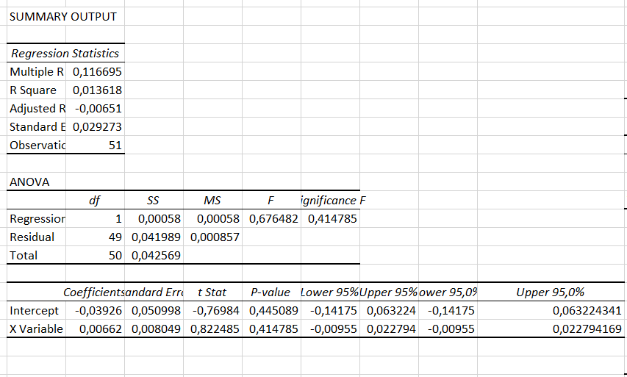
6 | Date | wekkly return for Pepsi | ^GSPC
DO NOT CHANGE THIS COLUMN | 2026-02-03
 | 2026-02-02 | 0.06 | 6,932
1 | 2026-01-26 | -0.01 | 6,939
1 | 2026-01-19 | 0.05 | 6,916
1 | 2026-01-12 | -0.02 | 6,940
1 | 2026-01-05 | -0.01 | 6,966
1 | 2025-12-29 | -0.03 | 6,858
1 | 2025-12-22 | -0.02 | 6,930
 | 2025-12-15 | 0.05 | 6,835
 | 2025-12-08 | -0.03 | 6,827
 | 2025-12-01 | 0.02 | 6,870
 | 2025-11-24 | 0.00 | 6,849
 | 2025-11-17 | 0.02 | 6,603
 | 2025-11-10 | -0.02 | 6,734
 | 2025-11-03 | -0.04 | 6,729
 | 2025-10-27 | -0.01 | 6,840
 | 2025-10-20 | 0.02 | 6,792
 | 2025-10-13 | 0.06 | 6,664
 | 2025-10-06 | 0.01 | 6,553
 | 2025-09-29 | -0.01 | 6,716
 | 2025-09-22 | -0.01 | 6,644
 | 2025-09-15 | -0.01 | 6,664
 | 2025-09-08 | -0.02 | 6,584
 | 2025-09-01 | -0.01 | 6,482
 | 2025-08-25 | 0.00 | 6,460
 | 2025-08-18 | 0.04 | 6,467
 | 2025-08-11 | 0.04 | 6,450
 | 2025-08-04 | -0.03 | 6,389
 | 2025-07-28 | 0.00 | 6,238
 | 2025-07-21 | 0.06 | 6,389
 | 2025-07-14 | 0.00 | 6,297
 | 2025-07-07 | 0.03 | 6,260
 | 2025-06-30 | 0.02 | 6,279
 | 2025-06-23 | -0.01 | 6,173
 | 2025-06-16 | 0.02 | 5,968
 | 2025-06-09 | -0.01 | 5,977
 | 2025-06-02 | 0.02 | 6,000
 | 2025-05-26 | -0.02 | 5,912
 | 2025-05-19 | 0.01 | 5,803
 | 2025-05-12 | -0.02 | 5,958
 | 2025-05-05 | 0.00 | 5,660
 | 2025-04-28 | -0.07 | 5,687
 | 2025-04-21 | -0.01 | 5,525
 | 2025-04-14 | -0.01 | 5,283
 | 2025-04-07 | -0.02 | 5,363
 | 2025-03-31 | 0.03 | 5,074
 | 2025-03-24 | -0.02 | 5,581
 | 2025-03-17 | -0.03 | 5,668
 | 2025-03-10 | 0.01 | 5,639
 | 2025-03-03 | 0.00 | 5,770
 | 2025-02-24 | 0.07 | 5,955
 | 2025-02-17 | -0.01 | 6,013
 | 2025-02-10 |  | 6,115

